EA037 and EA043
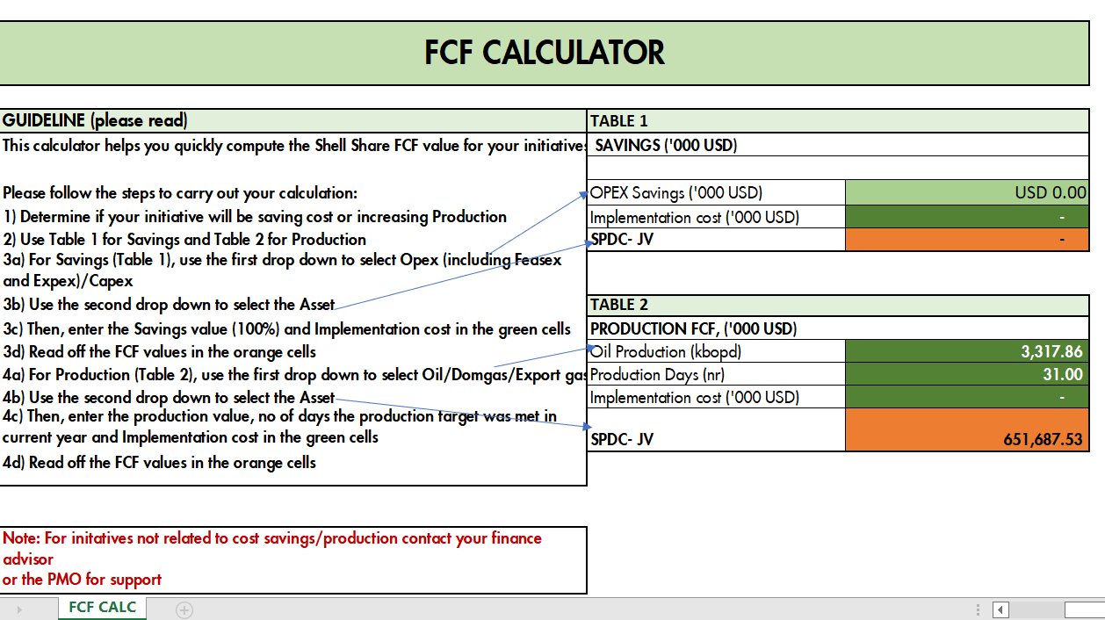
 | Allocated Oil (Bopd)
Date | EA037 | EA043 | Date | EA037 | EA043 | Date | EA037 | EA043 | Date | EA037 | EA043 | Date | EA-37 | EA-43 |  | EA-37 | EA-43 | EA-37 | EA-43
01-Jan-2022 | 1,999 | - | 01-Feb-2022 | 1,880 | 2,527 | 01-Mar-2022 | 466 | 1,174 | 01-Apr-2022 | 754.25 | 2,480.62 | 2022-05-01 | 410 | 2,919 | 2022-06-01 | 947.28 | 2465.33 | 1156.64 | 2513.17
02-Jan-2022 | 1,940 | - | 02-Feb-2022 | 1,856 | 2,495 | 02-Mar-2022 | 766 | 1,312 | 02-Apr-2022 | 594.94 | 1,956.67 | 2022-05-02 | 404 | 2,879 | 2022-06-02 | 952.10 | 2477.88 | 1135.75 | 2467.78
03-Jan-2022 | 2,016 | - | 03-Feb-2022 | 1,810 | 2,432 | 03-Mar-2022 | 1,088 | 1,797 | 03-Apr-2022 | 760.80 | 2,502.18 | 2022-05-03 | 407 | 2,902 | 2022-06-03 | 948.02 | 2467.27 | 1135.45 | 2467.14
04-Jan-2022 | 2,273 | - | 04-Feb-2022 | 1,852 | 2,489 | 04-Mar-2022 | 1,446 | 2,123 | 04-Apr-2022 | 857.65 | 2,820.71 | 2022-05-04 | 404 | 2,880 | 2022-06-04 | 942.04 | 2451.72 | 1130.51 | 2456.40
05-Jan-2022 | 3,723 | - | 05-Feb-2022 | 1,794 | 2,412 | 05-Mar-2022 | 1,305 | 1,916 | 05-Apr-2022 | 853.96 | 2,808.58 | 2022-05-05 | 403 | 2,875 | 2022-06-05 | 950.85 | 2474.64 | 1131.67 | 2458.93
06-Jan-2022 | 3,649 | - | 06-Feb-2022 | 1,529 | 2,417 | 06-Mar-2022 | 1,448 | 2,127 | 06-Apr-2022 | 853.48 | 2,806.99 | 2022-05-06 | 461 | 2,872 | 2022-06-06 | 939.05 | 2443.91 | 1132.85 | 2461.47
07-Jan-2022 | 3,655 | - | 07-Feb-2022 | 1,529 | 2,418 | 07-Mar-2022 | 1,510 | 2,218 | 07-Apr-2022 | 854.35 | 2,809.85 | 2022-05-07 | 460 | 2,871 | 2022-06-07 | 932.68 | 2427.36 | 1131.21 | 2457.92
08-Jan-2022 | 3,644 | - | 08-Feb-2022 | 1,536 | 2,429 | 08-Mar-2022 | 1,490 | 2,189 | 08-Apr-2022 | 870.10 | 2,861.66 | 2022-05-08 | 453 | 2,822 | 2022-06-08 | 930.27 | 2421.07 | 1129.87 | 2455.01
09-Jan-2022 | 4,377 | - | 09-Feb-2022 | 1,533 | 2,425 | 09-Mar-2022 | 1,474 | 2,165 | 09-Apr-2022 | 867.19 | 2,852.07 | 2022-05-09 | 453 | 2,827 | 2022-06-09 | 930.77 | 2422.39 | 1125.35 | 2445.19
10-Jan-2022 | 4,538 | - | 10-Feb-2022 | 1,521 | 2,406 | 10-Mar-2022 | 1,476 | 2,168 | 10-Apr-2022 | 866.93 | 2,851.23 | 2022-05-10 | 651 | 2,803 | 2022-06-10 | 1082.24 | 2351.52 | 1106.11 | 2403.37
11-Jan-2022 | 4,540 | - | 11-Feb-2022 | 1,517 | 2,399 | 11-Mar-2022 | 1,473 | 2,163 | 11-Apr-2022 | 860.26 | 2,829.28 | 2022-05-11 | 647 | 2,788 | 2022-06-11 | 1098.81 | 2387.52 | 1131.78 | 2459.17
12-Jan-2022 | 4,327 | - | 12-Feb-2022 | 1,534 | 2,427 | 12-Mar-2022 | 1,467 | 2,155 | 12-Apr-2022 | 1,075.24 | 2,829.06 | 2022-05-12 | 648 | 2,791 | 2022-06-12 | 1086.25 | 2360.24 | 1104.40 | 2486.00
13-Jan-2022 | 4,199 | - | 13-Feb-2022 | 1,513 | 2,392 | 13-Mar-2022 | 1,482 | 2,177 | 13-Apr-2022 | 1,073.12 | 2,352.90 | 2022-05-13 | 647 | 2,790 | 2022-06-13 | 1087.14 | 2362.16 | 1113.68 | 2555.41
14-Jan-2022 | 4,307 | - | 14-Feb-2022 | 1,519 | 2,402 | 14-Mar-2022 | 1,521 | 2,245 | 14-Apr-2022 | 1,231.90 | 2,701.04 | 2022-05-14 | 653 | 2,815 | 2022-06-14 | 1088.09 | 2364.23 | 1098.02 | 2519.47
15-Jan-2022 | 3,658 | - | 15-Feb-2022 | 1,585 | 1,015 | 15-Mar-2022 | 1,521 | 2,245 | 15-Apr-2022 | 1,256.39 | 2,754.74 | 2022-05-15 | 656 | 2,828 | 2022-06-15 | 1073.55 | 2332.63 | 1100.15 | 2524.37
16-Jan-2022 | 3,605 | - | 16-Feb-2022 | 1,553 | 1,360 | 16-Mar-2022 | 1,520 | 2,244 | 16-Apr-2022 | 1,247.85 | 2,736.01 | 2022-05-16 | 651 | 2,804 | 2022-06-16 | 1076.90 | 2339.92 | 1056.81 | 2424.92
17-Jan-2022 | 3,646 | - | 17-Feb-2022 | 1,519 | 1,330 | 17-Mar-2022 | 1,532 | 2,519 | 17-Apr-2022 | 1,251.74 | 2,744.53 | 2022-05-17 | 649 | 2,798 | 2022-06-17 | 1105.87 | 2402.86 | 1099.28 | 2522.37
18-Jan-2022 | 3,635 | - | 18-Feb-2022 | 1,529 | 1,339 | 18-Mar-2022 | 763 | 2,509 | 18-Apr-2022 | 1,253.33 | 2,748.04 | 2022-05-18 | 644 | 2,775 | 2022-06-18 | 1101.94 | 2394.31 | 1117.68 | 2564.60
19-Jan-2022 | 2,442 | - | 19-Feb-2022 | 1,520 | 1,331 | 19-Mar-2022 | 763 | 2,509 | 19-Apr-2022 | 485.15 | 2,836.64 | 2022-05-19 | 1,233 | 2,740 | 2022-06-19 | 1125.36 | 2445.21 | 1108.82 | 2544.26
20-Jan-2022 | 2,492 | - | 20-Feb-2022 | 1,518 | 1,329 | 20-Mar-2022 | 761 | 2,503 | 20-Apr-2022 | 485.09 | 2,836.24 | 2022-05-20 | 1,242 | 2,759 | 2022-06-20 | 1128.00 | 2450.95 | 1091.61 | 2337.79
21-Jan-2022 | 1,943 | - | 21-Feb-2022 | 1,518 | 1,329 | 21-Mar-2022 | 761 | 2,503 | 21-Apr-2022 | 484.61 | 2,833.48 | 2022-05-21 | 1,218 | 2,707 | 2022-06-21 | 1127.04 | 2448.86 | 1086.17 | 2492.28
22-Jan-2022 | 1,412 | - | 22-Feb-2022 | 1,555 | 1,362 | 22-Mar-2022 | 756 | 2,488 | 22-Apr-2022 | 480.29 | 2,808.22 | 2022-05-22 | 1,063 | 2,766 | 2022-06-22 | 1118.37 | 2430.01 | 1075.21 | 2467.13
23-Jan-2022 | 1,401 | - | 23-Feb-2022 | 173 | 193 | 23-Mar-2022 | 757 | 2,488 | 23-Apr-2022 | 473.10 | 2,766.19 | 2022-05-23 | 1,061 | 2,761 | 2022-06-23 | 1094.17 | 2377.44 | 1079.38 | 2476.70
24-Jan-2022 | 1,407 | - | 24-Feb-2022 | 833 | 925 | 24-Mar-2022 | 787 | 2,588 | 24-Apr-2022 | 471.68 | 2,757.85 | 2022-05-24 | 1,054 | 2,743 | 2022-06-24 | 1062.69 | 2309.03 | 1063.00 | 2439.13
25-Jan-2022 | 1,400 | - | 25-Feb-2022 | 1,389 | 2,373 | 25-Mar-2022 | 757 | 2,491 | 25-Apr-2022 | 771.27 | 2,315.52 | 2022-05-25 | 1,046 | 2,723 | 2022-06-25 | 1072.85 | 2331.11 | 924.97 | 860.84
26-Jan-2022 | 1,399 | - | 26-Feb-2022 | 1,296 | 2,034 | 26-Mar-2022 | 766 | 2,518 | 26-Apr-2022 | 700.52 | 2,688.30 | 2022-05-26 | 1,042 | 2,713 | 2022-06-26 | 1096.90 | 2383.37 | 814.79 | 516.73
27-Jan-2022 | 1,400 | 839 | 27-Feb-2022 | 1,142 | 1,677 | 27-Mar-2022 | 757 | 2,491 | 27-Apr-2022 | 695.26 | 2,668.10 | 2022-05-27 | 500 | 2,155 | 2022-06-27 | 1090.68 | 2369.87 | 908.98 | 2085.72
28-Jan-2022 | 1,385 | 1,862 | 28-Feb-2022 | 380 | 958 | 28-Mar-2022 | 757 | 2,490 | 28-Apr-2022 | 691.34 | 2,653.07 | 2022-05-28 | 1,044 | 2,718 | 2022-06-28 | 1120.35 | 2434.32 | 717.38 | 1646.07
29-Jan-2022 | 1,430 | 1,922 | TOTAL | 40,435 | 52,626 | 29-Mar-2022 | 763 | 2,511 | 29-Apr-2022 | 377.88 | 2,693.11 | 2022-05-29 | 1,026 | 2,671 | 2022-06-29 | 1097.48 | 2384.64 | 765.13 | 1755.63
30-Jan-2022 | 1,448 | 1,947 | Total Incremental production |  | 93,060 | 30-Mar-2022 | 764 | 2,513 | 30-Apr-2022 | 377.85 | 2,692.91 | 2022-05-30 | 1,043 | 2,714 | 2022-06-30 | 1117.80 | 2428.77 | 726.90 | 1667.91
31-Jan-2022 | 1,475 | 1,983 | Average Daily Prod |  | 3,324 | 31-Mar-2022 | 746 | 2,455 | TOTAL | 23,877.53 | 80,995.81 | 2022-05-31 | 1,036 | 2,695 | TOTAL | 31525.52 | 72140.53 | 1038.49 | 2382.88
TOTAL | 84,764 | 8,553 |  |  |  | TOTAL | 33,645 | 69,997 | Total Incremental production |  | 104,873.34 | TOTAL | 23,310 | 85,905 | Total Incremental production |  | 103,666.04 | 32538.04 | 70315.77
Total Incremental production |  | 93,316 |  |  |  | Total Incremental production |  | 103,642 | Average Daily Prod |  | 3,495.78 | Total Incremental production |  | 109,215 | Average Daily Prod |  | 3,455.53 | 102853.81
Average Daily Prod |  | 3,010.20 |  |  |  | Average Daily Prod |  | 3,343.29 |  |  |  | Average Daily Prod |  | 3,523.07 |  |  |  | 3317.86

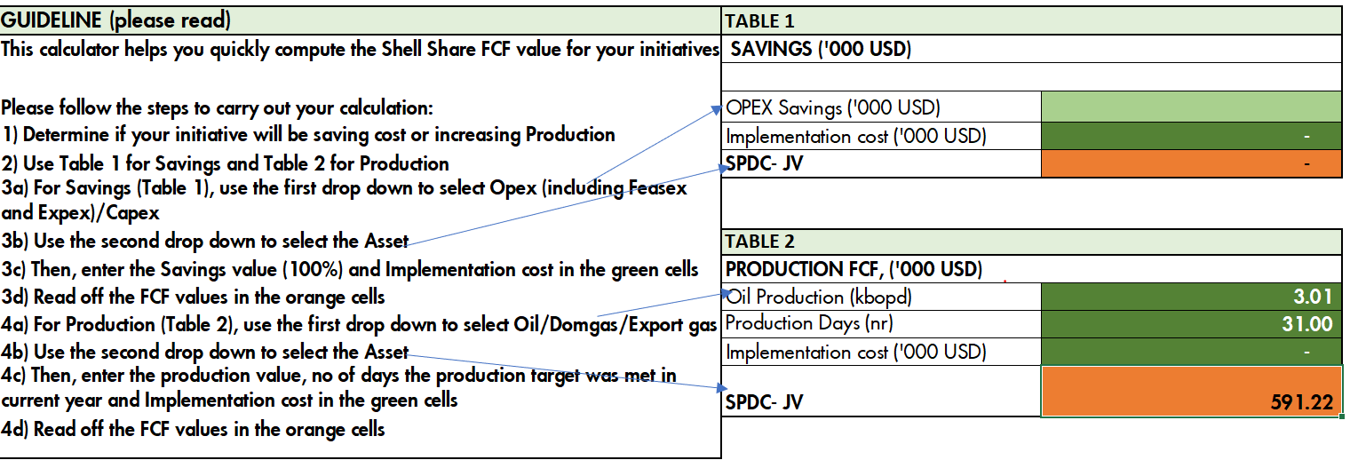
FCF CALCULATION - JANUARY 2022

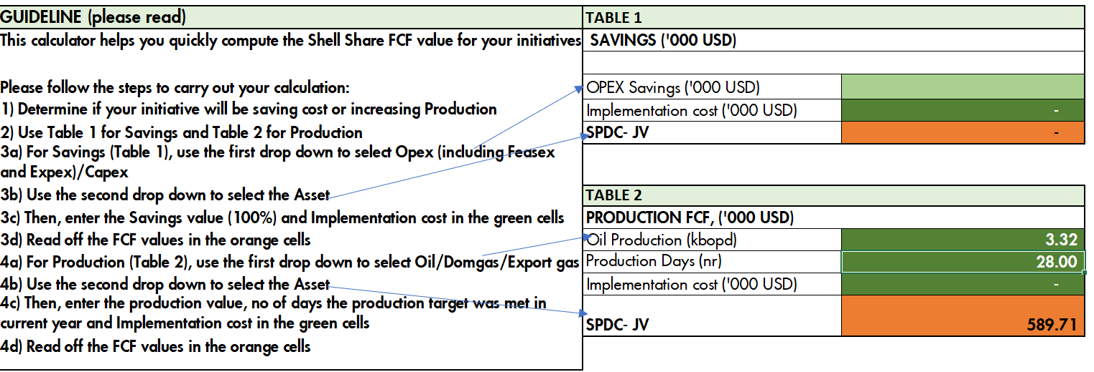
FCF CALCULATION FEB 2022


FCF CALCULATION MARCH 22

FCF CALCULATION APR 2022
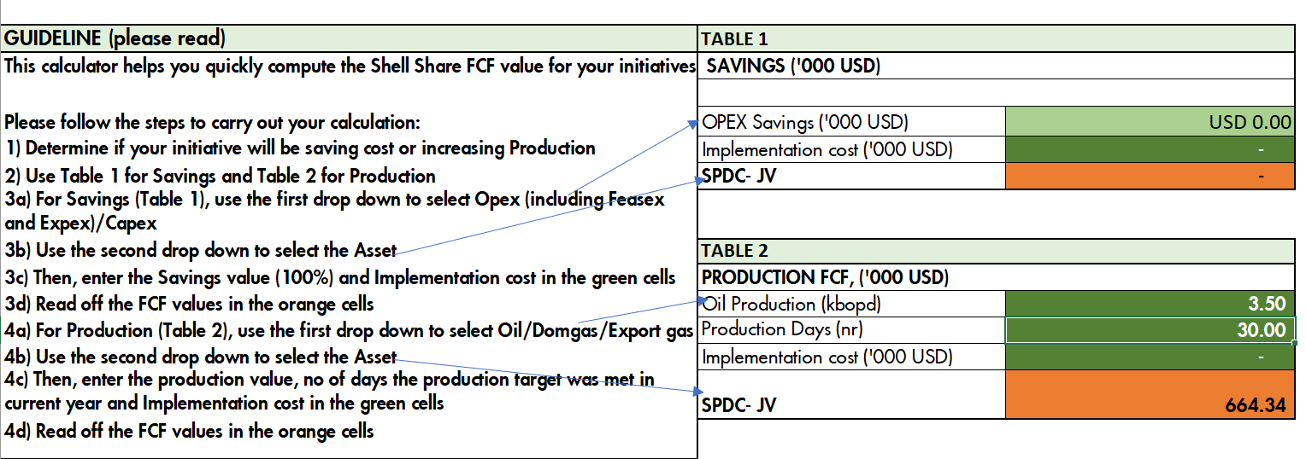

FCF CALCULATION MAY 2022
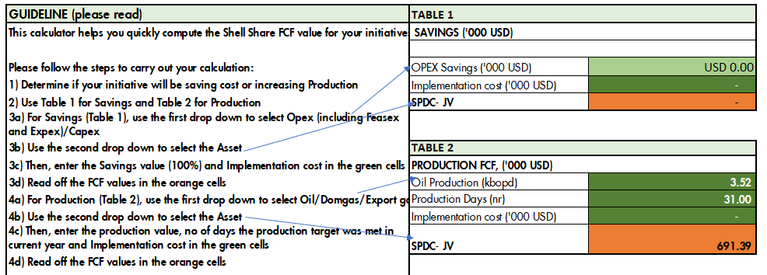

FCF JUNE 2022
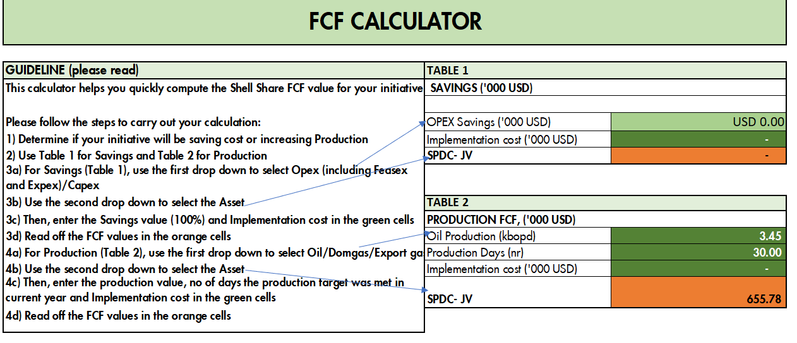

 | Jul-22

